SUBTOTAL
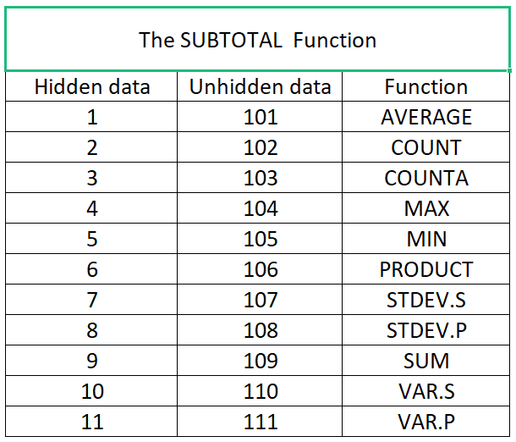
The SUBTOTAL Function
Date | Product | Sales | Unit Price | Total
15/02/2022 | Running shoes | 57 | $119.00 | $6,783.00
16/03/2022 | coat | 53 | $69.90 | $3,704.70
17/03/2022 | Pants | 35 | $49.90 | $1,746.50
18/02/2022 | Running shoes | 86 | $119.00 | $10,234.00
19/02/2022 | coat | 91 | $69.90 | $6,360.90
20/02/2022 | Pants | 55 | $49.90 | $2,744.50
21/03/2022 | Running shoes | 36 | $119.00 | $4,284.00
22/03/2022 | Pants | 29 | $49.90 | $1,447.10
23/03/2022 | Running shoes | 40 | $119.00 | $4,760.00
24/03/2022 | coat | 95 | $69.90 | $6,640.50
25/01/2022 | Running shoes | 45 | $119.00 | $5,355.00
26/02/2022 | coat | 95 | $69.90 | $6,640.50
27/03/2022 | Pants | 50 | $49.90 | $2,495.00
28/03/2022 | Running shoes | 79 | $119.00 | $9,401.00
21/02/2022 | Pants | 28 | $49.90 | $1,397.20
22/02/2022 | Running shoes | 60 | $119.00 | $7,140.00

 | Total | 934 | 1362.1 | 81133.9

