Example1
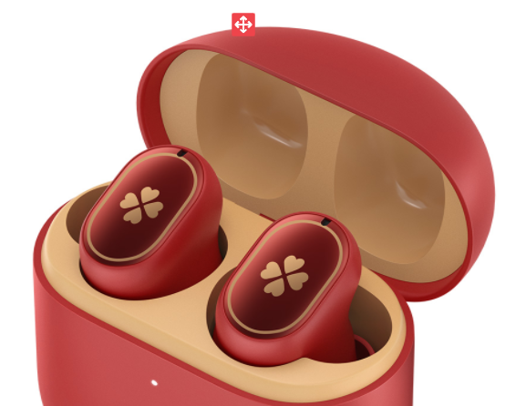
Date | purchaser | Product code | Product | Purchase Quantity | Sales | Reture Rate | Inventory
14/01/2022 | klee | YS220114 | Mobile Phone Cases | 136 | 107 | 6% | 29
15/01/2022 | barbatos |  | Mobile Phone Cases-U20 | 366 | 286 |  | 80
08/02/2022 | klee | YS220208 | Charger | 204 | 187 | 8% | 17
09/02/2022 | barbatos | YS220209 | USB Quick Charge | 426 | 275 | 10% | 151
10/03/2022 | klee | YS220310 | Mobile Phone Cases-POP: | 453 | 161 |  | 292
11/03/2022 |  | YS220311 | Mobile Phone Cases-H60 | 242 | 196 | 7% | 46
16/04/2022 | barbatos | YS220416 | USB Line | 396 | 216 | 8% | 180
17/04/2022 | klee | YS220417 | Redmi AirDots 3 Pro | 211 | 194 | 2% | 17

